Introduction
 Cost outline template

 | INTRODUCTION

 | Purpose
 | The cost outline template is developed to facilitate uniform representation of costs presented in an evaluation proposal by industrial applicants to the Danish Health Technology Council (DHTC). The purpose of the template is to provide a rough indication to the DHTC on the sector-specific split of total costs associated with use of the intervention across a given time horizon for one patient.

 | ATTENTION: Applicants are free to change, add, remove or rephrase the content of this cost outline template if it supports a clear and transparent presentation of the costs and components included in the outline.

 | Premises of use
 | As described in section 2.5 in the DHTC guidance on processes regions, hospital directors and industrial applicants are invited to submit proposals for evaluation.

 | Cf. the board meeting of Danish Regions September 24th 2022, it is no longer demanded that industrial applicants can show that it is likely that the technology will be either cost neutral or cost reducing. Therefore there is no demand made for industrial applicants to fill out the cost outline template. However, it is advised that all applicants review and consider all the aspects covered in the template as preparation for the possible future health econmic evaluation, should the proposal be chosen for futher outline.

 | The cost outline template does not explicitly allow for the direct inclusion of health benefits. However, the cost consequenses derived of the changes in health benefit (reduced risk of hospitalization, reduction in adverse events etc.) can be included in the costing sections (pink sheets).

 | The applicant is invited to - in extension to the evaluation proposal and the cost outline template - submit any other health economic data or evidence.

 | Steps within the proposal phase
 | The proces of submitting an evaluation proposal is illustrated in figure 1. The cost outline template (pink) is introduced in step 3. The template is used only in the situation where an industrial applicant has decided to develop an evaluation proposal.

 | Figure 1. The proposal phase. (1) The phase is initated officially by the applicant once the contact request template is filled out and submitted. (2) The secretariat will, in cooperation with the applicant, define the date and setting of a preliminary dialogue meeting in which both parties are able to share information pertaining to the health technology in question. (3) Following the preliminary dialogue meeting the applicant decideds whether or not to initiate work on an evaluation proposal. During this step the applicant is encouraged to continue the dialogue with the secretariat as per agreement at the preliminary dialogue meeting. (4) The evaluation proposal from applicant must be validated and approved by the secretariat before reaching the Council. (5) The Council will review all submitted evaluation proposals and prioritize amongst these in order to define which proposals will continue into the next phase; the evaluation phase.

 | Sheets and support
 | The cost outline template is divided into a number of sheets:

 |  | Introduction | Contains introduction to the role and format of the cost outline template.
 |  | Results | Summarizes the top-line results from the costs included within each of the four sectorspecific sheets.
 |  | General input | Enables applicant to define specific informations of relevancy to the health technology and chosen alternative.
 |  | Hospital | Input sheet for cost components linked to the hospital sector.
 |  | General/Specialist practice | Input sheet for cost components linked to out-patient & medical specialist sector.
 |  | Municipality | Input sheet for cost components linked to the municipality sector.
 |  | Patient | Input sheet for cost components linked to the patient- and relatives sector.
 |  | Considerations | Allows for inclusion of aspects related to overhead, implementation and other aspects linked to the evaluation design.
 |  | References | Input sheet for the detailed list of sources and references used to fill out the cost anlysis template.
 |  | Key Cost Table | Contains a large amount of key costs and rates frequently used to populate the cost outline template.

 | For a number of cells in the cost outline template applicants will be able to find additional comments linked to the cell. The text shows up when right-clicking/marking the cell coloured blue for easier identification of supportive information.

 |  | click me!

 | Most of the cost outline template is free to be adapted and formattet to support applicants individual case. In the development of the cost outline template the DHTC has emphasized the production of a tool which is simple, flexible and easily modified to include cost components of interest.

 | METHODOLOGY

 | Perspective of the outline
 | The cost outline must be carried out with a limited societal perspective in mind, as per figure 2. A more in-depth description of the perspective and its limitations - and how the cost outline is expected to be filled out - is outlined in the technical document 'Guidance on costing/Vejledning i omkostningsopgørelse'. At the time of this version of the cost outline template the guidance exists only in Danish. |  |  | Click here to find the guidance
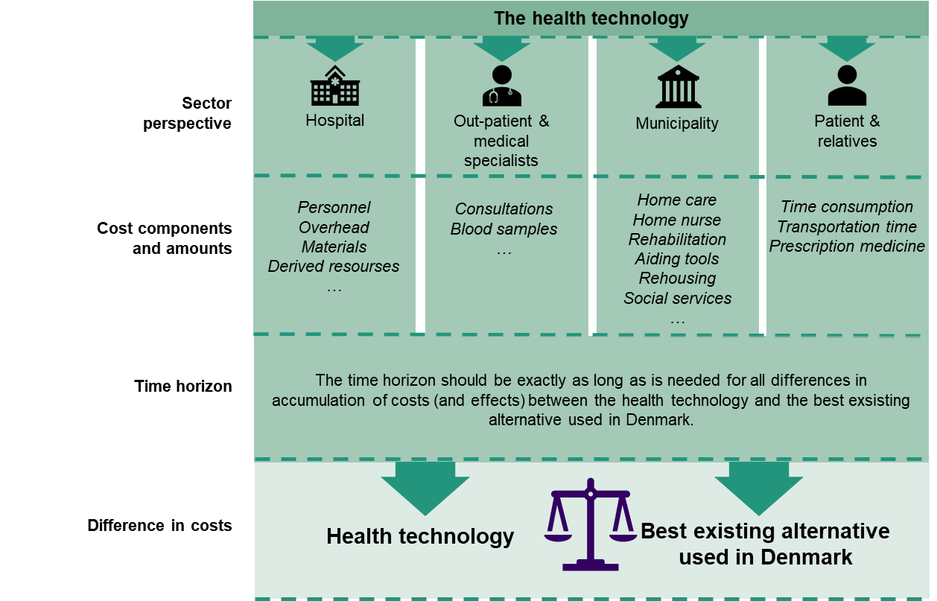

 | Figure 2. Illustration of the limited societal perspective used when filling out the cost outline template and the health economic evalution. The limited societal perspective includes four sectors; hospital, out-patient & medical specialists, municipality and patients/relatives. All of these sectors contain different sets of cost compontents the weight of which can differ from case to case.

 | Applicants are expected to fill out the cost outline template to the best of their expertise and level of evidence. However, situations will occur in which costs does not accumulate across all four sectors. The DHTC is working under the acceptance of the fact that - from case to case - variations in the amount of an quality of evidence supporting cost components in each sector will differ.

 | Applicants time spent filling out the cost outline template can be considered preparatory for the process of conducting the final health economic evaluation in the case where the Council selects the evaluation proposal for further evaluation.

 | Chosing an alternative
 | The cost outline template is developed with one alternative in mind. As outlined in the guidance on methodology section 6.1 on clinical questions the comparator is per default the best, alternative and most widely implemented technology and/or standard of care in the specific case. In cases where no real alternative exists the alternative is considered to be no active treatment (watch and wait), placebo and/or sham.

 | As the cost outline template is used prior to the identification of a comparator by the expert committee memebers it is most appropriat to denoet the comparison made at this point in the proces as an alternative.

 | As the exact price of the alternative more often than not is unknown to applicants then the pricing of the alternative relies on the best guess estimate of the applicant.

 | Average cost per patient
 | In health economic evaluations the accummulation of costs and effects are carried out on a per patient level. In other words; calculations in the cost outline template must focus on the average cost linked to treating one patient.

 | In situations in which a health technology is used by several patients, for instance across a number of years, then the cost associated with using the health technology should be split across the total population using a distribution key (see section 2.1.2 and 2.1.3 in the guidance on costing document (link in cell P60).

 | Using key costs
 | A number of cost components contained within the four sectors will often be fixed and predefined as per the guidance on costing document (link in cell P60). A large selection of these costs are included in the sheet Key Cost Table as a support.

 | Overhead costs
 | Overhead is a term used for costs that are not directly related to the treatment of a patient. Included herein are costs associated with hospital maintenance, administration, power-, water and heating. Overhead costs can be challenging to estimate correctly. However, in some cases a health technology may specifically be adressing overhead costs.

 | Applicants are not expected to calculate overhead costs - or costs associated with implementation/phasing out as part of the cost outline template. The existence and role of these costs are included as part of a qualitative evaluation of the cost outline template when the DHTC reviews the evaluation proposal.

 | Furthermore, it is expected that applicants consider the relevancy of including overhead costs and costs associated with implementation/phasing out of technologies in the sheet 'Considerations'. These costs can be included as part of the evaluation design if they are of particular relevance to the overall evaluation of the health technology.

 | References and sources
 | Applicants must make sure that whenever a source is used in the cost outline template it is clearly stated so. Data in the cost outline template, as well as a potential health economic evaluation and budget impact model will most likely be based on several input sources. The secretariat will evaluate the included references and sources in relation to danish clinical practice prior to review by the Council. Some examples of sources used in the cost outline template are:

 | - Costing studies
 | - DRG-registries
 | - Cost of services/rates
 | - Expert opinions
 | - Data-on-file

 | Data stemming from litterature related to rate of events, linked to a specific cost, are also permitted for inclusion.

 | In the sheet 'References' applicants must denote each individual source/reference with a number, the type of source material (randomized controlled trial, observational study, expert opinion, database, etc.) as well as a description of the reference including both title and source (ex. Digital Object Identifier (DOI) if the source is a publication). Applicants must also clearly state when and if any value in the cost outline template is based on a best guess estimate from the applicant.

 | When a reference is used as a source of data for specific sections of the cost outline template the reference number (as stated above) must be denoted in the adjacent box for referencing. If any data or input in the cost outline template is classified as confidential then it falls upon applicants to raise awareness of any specific input in this category. In this case applicants must mark the data/material yellow - or insert a comment stating the confidentiality. All product prices not already publicly available are treated as confidential by the DHTC.

Results
Results

 | ESTIMATED DIFFERENCE IN COST PER PATIENT

 |  | Technology | Hospital | Out-Patient | Municipality | Patient | Total
 | Health technology | 5,537 kr. | 7,945 kr. | 5,997 kr. | 14,079 kr. | 14,432 kr. | 47,991 kr.
 | Alternative | 3,623 kr. | 9,298 kr. | 3,197 kr. | 13,019 kr. | 19,965 kr. | 49,101 kr.
 | Difference | 1,915 kr. | -1,352 kr. | 2,800 kr. | 1,061 kr. | -5,533 kr. | -1,110 kr.

